Probabilities
Probability of success in investigational drugs (by phase):

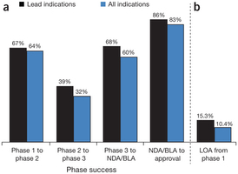

(a) Phase success rates for lead and all indications. The rates represent the probability that a drug will successfully advance to the next phase. (b) LOA from phase 1 for lead and all indications.

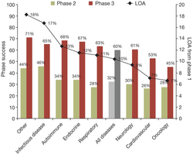

 | Source: Hay M, et al: Nature Biotechnology 32, 40–51 (2014)

The bars represent phase 2 and phase 3 success rates and the line represents LOA from phase 1.

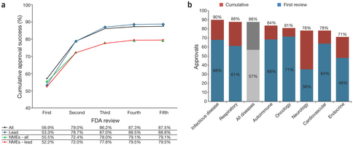

(a) Cumulative approval rates by FDA review from 2005 to 2011 (914 reviews). (b) Cumulative and first FDA approval rates by disease

