Sheet1
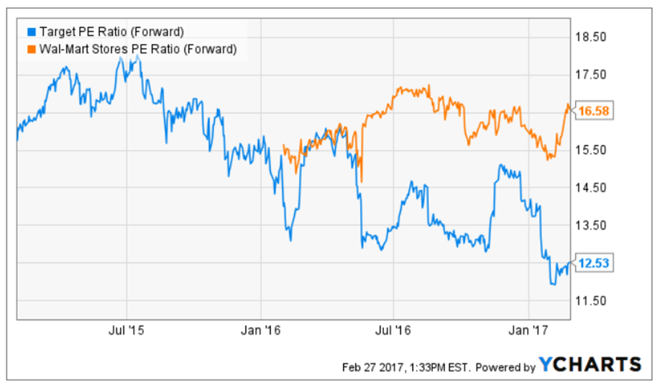
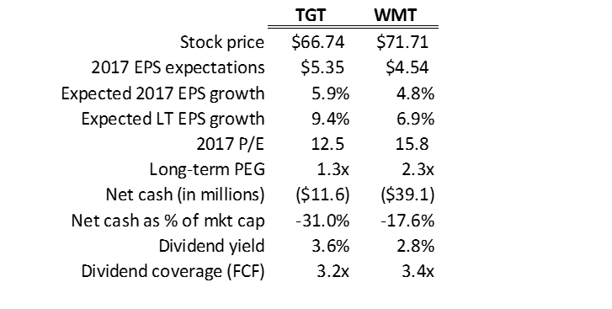
 | TGT | WMT | Source:
Stock price | $66.74 | $71.71 | http://finance.yahoo.com/quote/TGT/analysts?p=TGT
2017 EPS expectations | $5.35 | $4.54
Expected 2017 EPS growth | 5.9% | 4.8%
Expected LT EPS growth | 9.4% | 6.9% | http://www.nasdaq.com/symbol/tgt/earnings-growth
2017 P/E | 12.5 | 15.8
Long-term PEG | 1.3x | 2.3x
Net cash (in millions) | ($11.6) | ($39.1) | http://seekingalpha.com/symbol/TGT/financials/balance-sheet?figure_type=quarterly
Net cash as % of mkt cap | -31.0% | -17.6%
Dividend yield | 3.6% | 2.8% | http://investors.target.com/phoenix.zhtml?c=65828&p=irol-dividends
Dividend coverage (FCF) | 3.2x | 3.4x | http://seekingalpha.com/symbol/TGT/financials/cash-flow-statement

