Infographic
Implied downside from current market price (Terminal EBITDA Multiple 11x)
 | Implied upside from current market price
5.1% | 13%
6.1% | 8%
7.1% | 3%
Implied upside from current market price (Terminal EBITDA Multiple 14x)
 | Implied upside from current market price
$66.3 | 38%
$63.4 | 32%
$60.6 | 26%
$58.0 | 21%
Implied upside from current market price (Terminal EBITDA Multiple 17x)
 | Implied upside from current market price
5.1% | 63%
6.1% | 55%
7.1% | 48%

 | Revenues - Group (Pharma+Vaccines) | EBITDA
2017 | 36463 € | 8221 €
2018 | 39408 € | 8884 €
2019 | 42727 € | 9631 €
2020 | 46525 € | 10486 €
2021 | 50947 € | 11482 €

 |  | Terminal EBITDA Multiple
 |  | 11.0x | 14.0x | 17.0x
Discount | 5.1% | $54.4 | $66.3 | $78.2
Rate | 6.1% | $52.0 | $63.4 | $74.7
(WACC) | 7.1% | $49.8 | $60.6 | $71.4
 | 8.1% | $47.7 | $58.0 | $68.3

 |  | Terminal Perpetuity Growth Rate
 |  | 1.0% | 2.0% | 3.0%
Discount | 5.1% | $76.7 | $99.0 | $142.3
Rate | 6.1% | $61.0 | $74.1 | $95.6
(WACC) | 7.1% | $50.4 | $59.0 | $71.6
 | 8.1% | $42.8 | $48.8 | $57.1

 |  | Terminal EBITDA Multiple
 |  | 11.0x | 14.0x | 17.0x
Discount | 5.1% | (1.0%) | 0.3% | 1.1%
Rate | 6.1% | (0.0%) | 1.2% | 2.1%
(WACC) | 7.1% | 0.9% | 2.2% | 3.0%

 |  | Terminal Perpetuity Growth Rate
 |  | 1.0% | 2.0% | 3.0%
Discount | 5.1% | 16.6x | 22.2x | 33.0x
Rate | 6.1% | 13.3x | 16.8x | 22.4x
(WACC) | 7.1% | 11.2x | 13.5x | 16.9x

ExRate
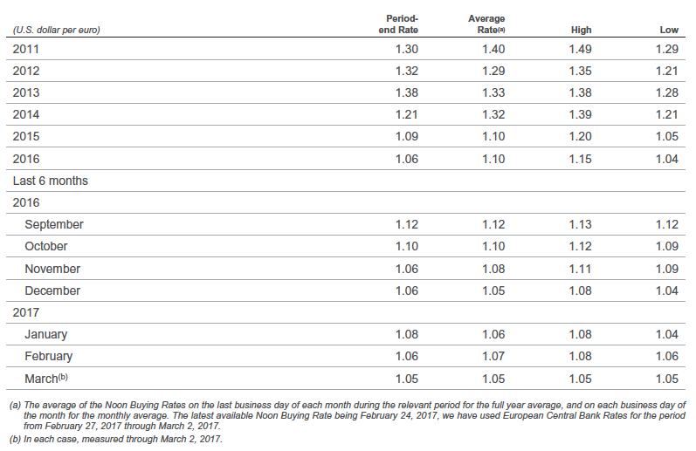

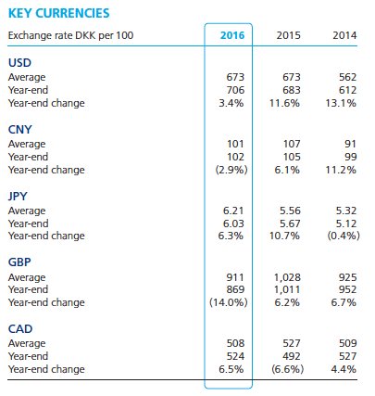

ISG
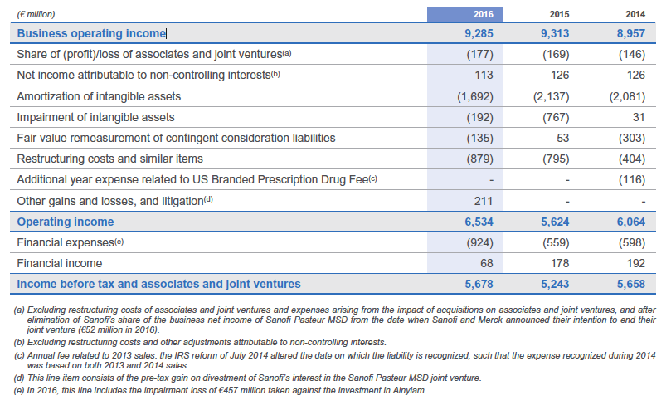
1 |  | 2016 | 2015 | 2014 | 2013 | 2012 | 2011
2 | Net sales (€M) | 33,821 | 37,057 | 33,770 | 32,951 | 34,947 | 33,389
3 | Other revenues (€M) | 887 | 360 | 339 | 355 | 101 | 1,669
4 | Cost of sales (€M) | -10,702 | -11,804 | -11,029 | -10,983 | -11,075 | -10,389
5 | Gross profit (€M) | 24,006 | 25,613 | 23,080 | 22,323 | 24,882 | 24,669
6 | Research and development expenses (€M) | -5,172 | -5,259 | -4,824 | -477 | -4,905 | -4,788
7 | Selling and general expenses (€M) | -9,486 | -10,247 | -8,991 | -8,603 | -8,929 | -8,508
8 | Other current operating income/expenses (€M) | -127 | -203 | 164 | 450 | 148 | 46
9 | Share of profit/loss of associates (€M) | 177 | 170 | 147 | 85 | 424 | 1,102
10 | Net income attributable to non-controlling interests (€M) | -113 | -126 | -127 | -162 | -172 | -247
11 | Business operating income (€M) | 9,285 | 9,948 | 9,449 | 9,323 | 11,448 | 12,274
12 | Financial income and expenses (€M) | -399 | -390 | -447 | -503 | -658 | -604
13
14 | Cost of debt | 274 | 331 | 357
15 | EBIT of the held-for-exchange Animal Health business | 678 | 101 | 80
16 | EBIT | 6,534 | 5,624 | 6,064 | 4,982 | 6,430
17 |  | 2,751 | 4,324 | 3,385 | 4,341 | 5,018
18 | Income tax expense (€M) | -2,054 | -2,187 | -2,155 | -2,134 | -2,689 | -2,922
19 | Tax rate (%) | 23.3 | 23.0 | 24.0 | 24.0 | 25.5 | 27.0
20 | Business net income excl. Animal Health business (€M) | 6,832
21 | Business net income of Animal Health business (€M) | 476
22 | Business net income (€M) | 7,308 | 7,371 | 6,847 | 6,686 | 8,101 | 8,748

 | Debt | 18,579 | 16,554 | 14,814
 | Long-term debt | 16815 | 13118 | 13276
 | Short-term debt and current portion of long-term debt | 1764 | 3436 | 1538

 |  | 1.47% | 2.00% | 2.41%

 | Average | 1.96%

